Introduction - Landing Page


(Title _ Landing page)

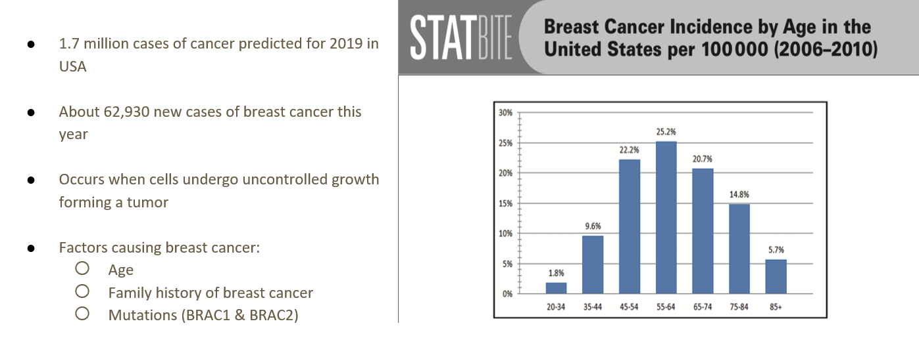

(Title Facts_ Landing page)

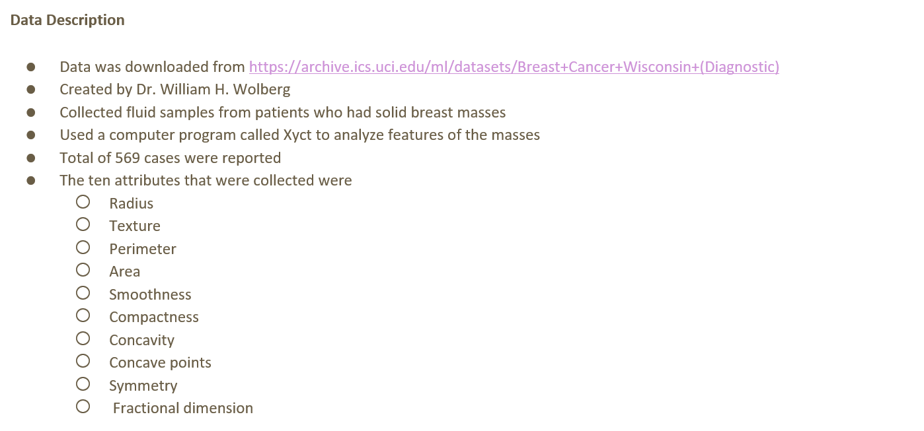
(Data Description)

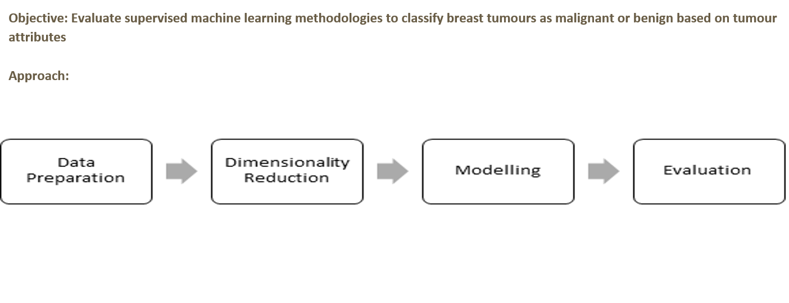
(Approach)

Data Analysis
(Data analysis header)

(Data Analysis 1)

(attribute_histograms)
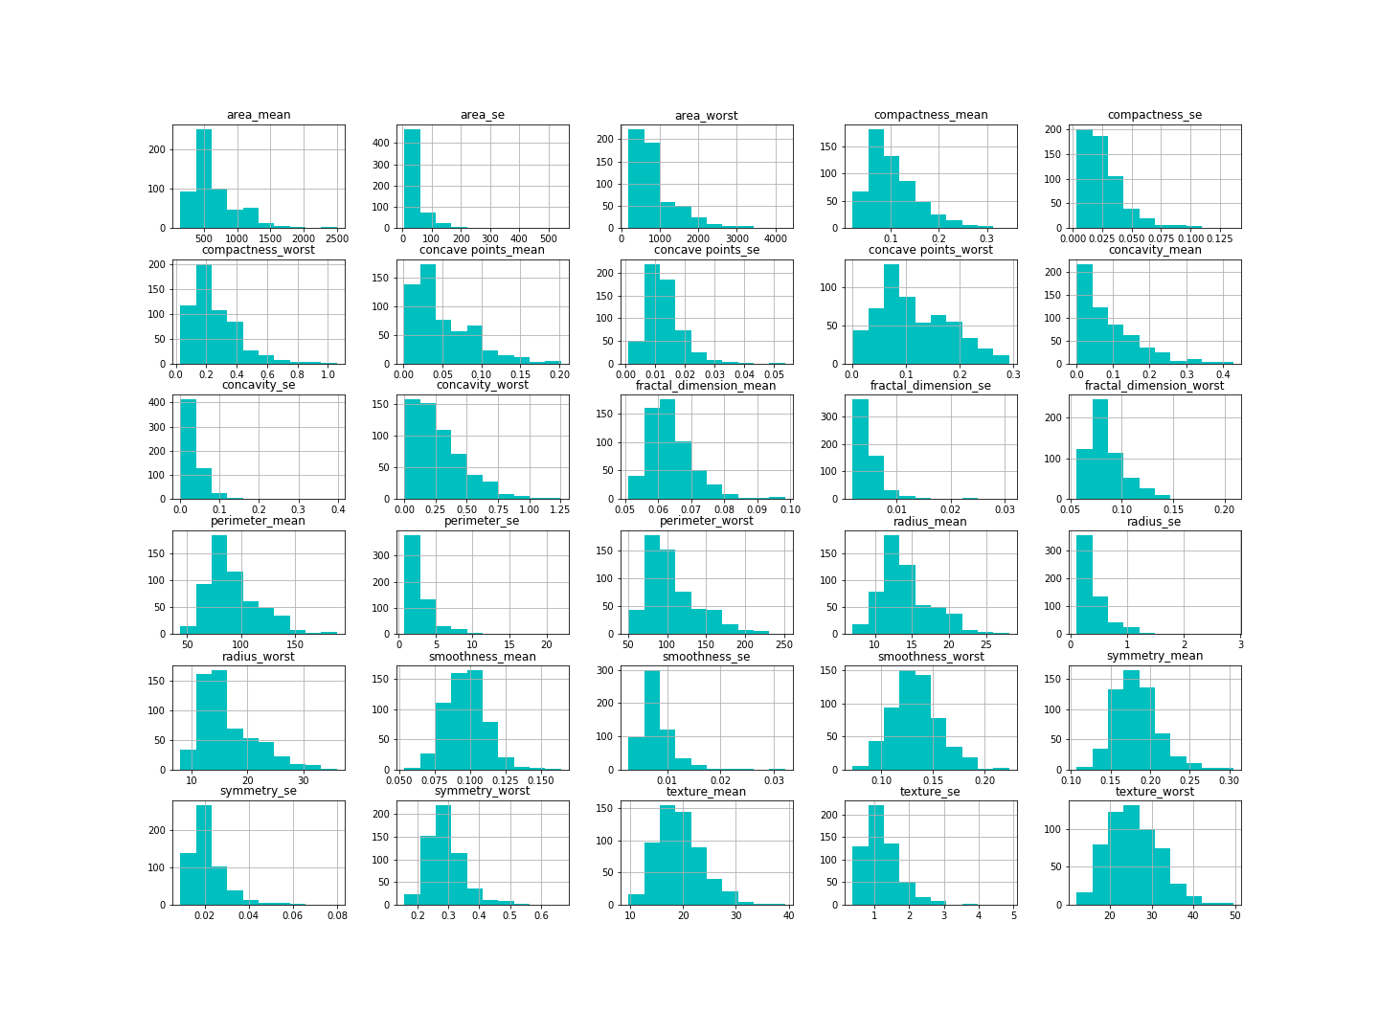

 |  | (attr_hist_concave points_mean)

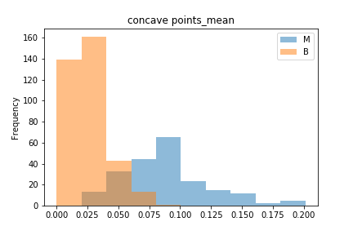

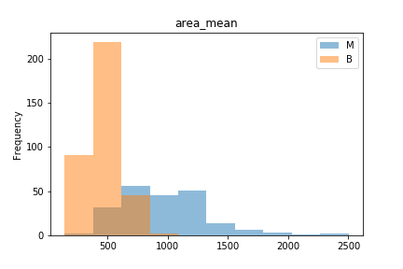

 | (attr_hist_area_mean)

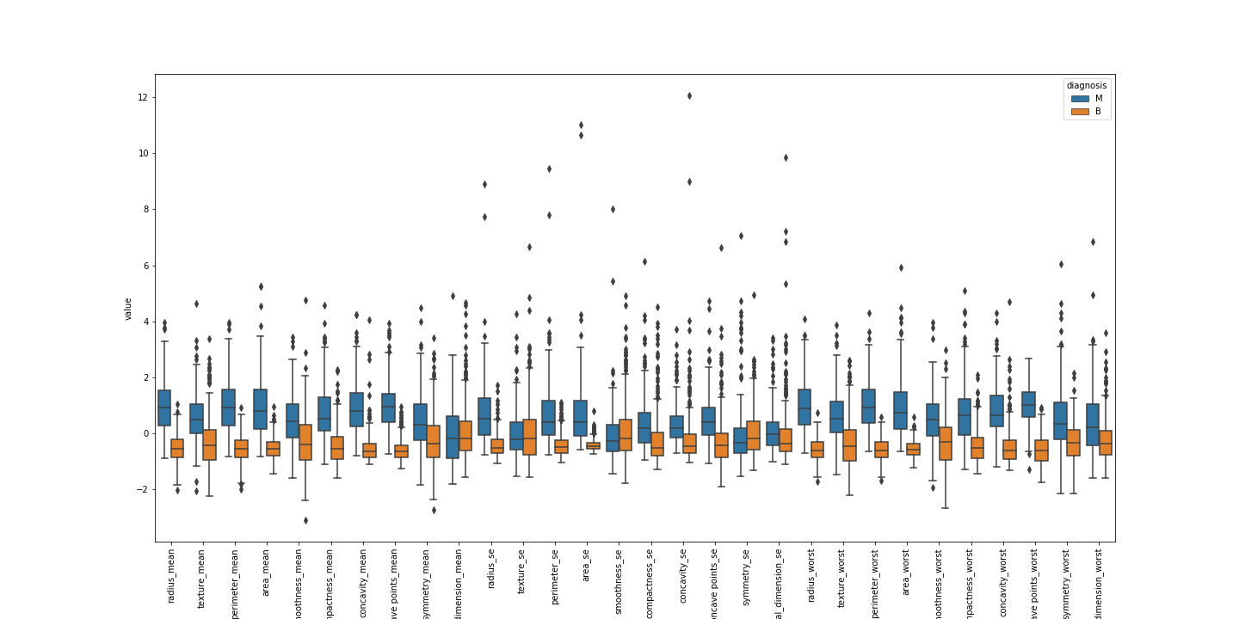
(Data Analysis 2)

(box_plot_attributes)

(Data Analysis 3)

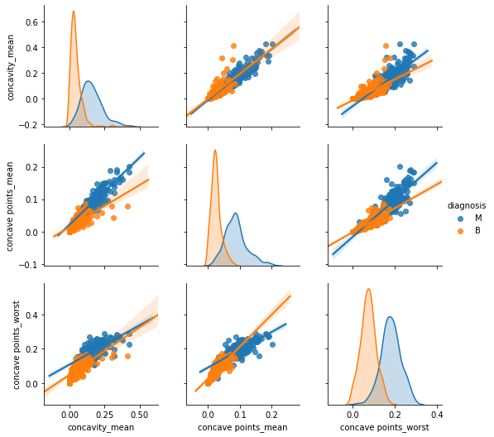
(concave_output)

(correlation_matrix_1)

(Data Analysis 4)

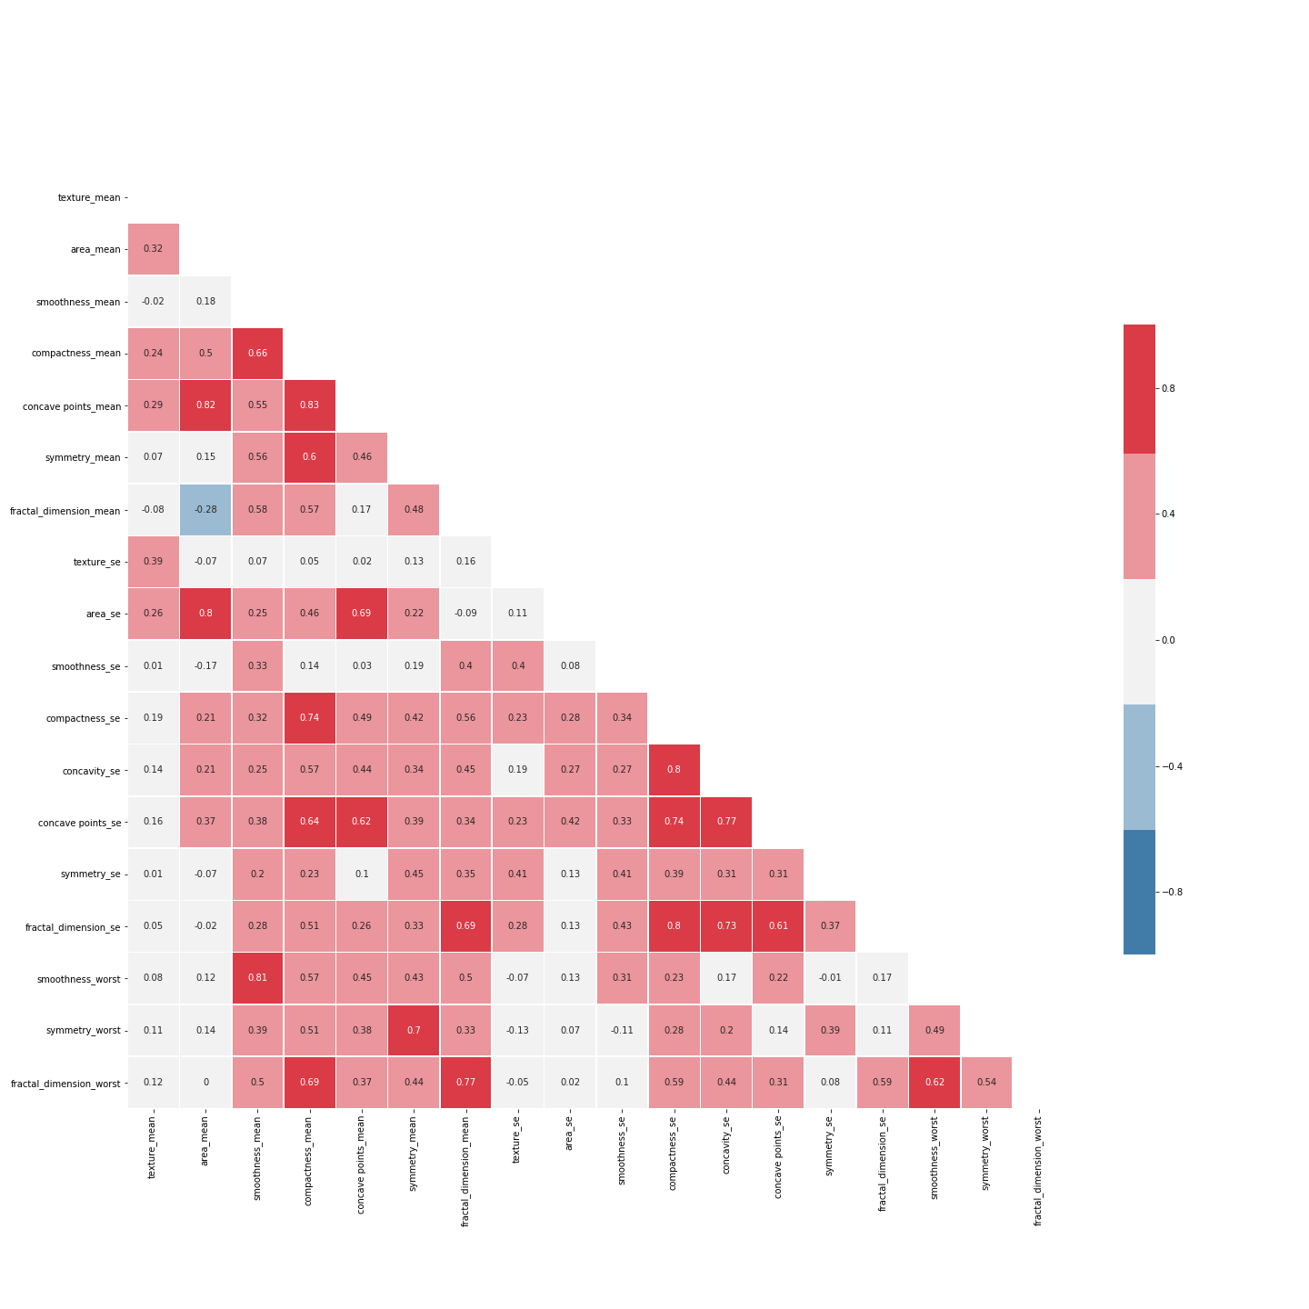
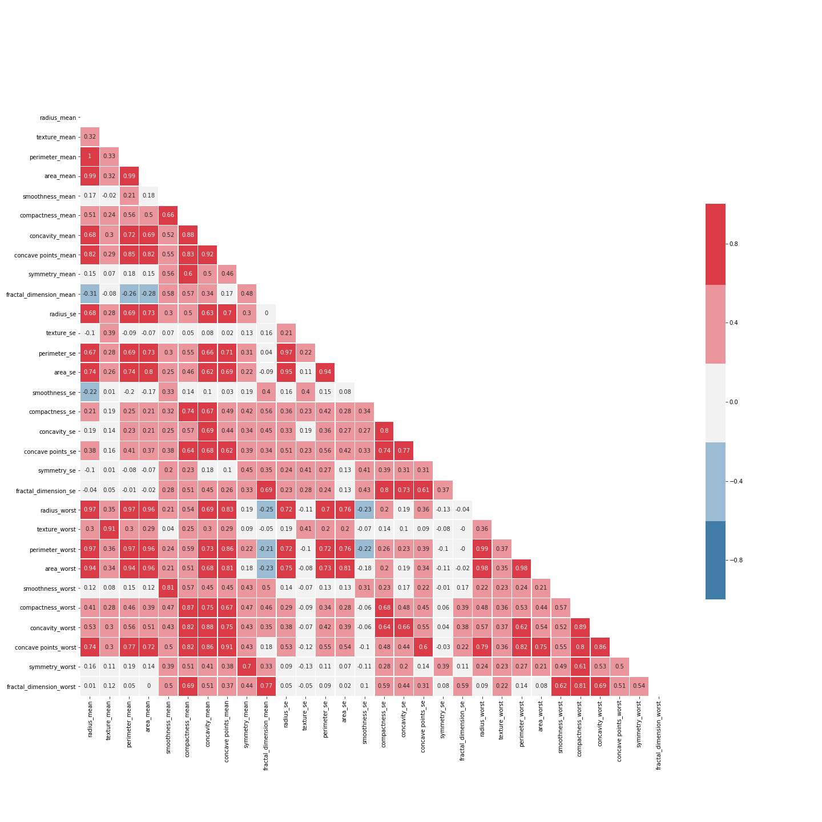

(correlation_matrix_final)

Machine Learning Models
(Machine Learning 1)

(Breast Cancer_Confussion Matrix Metrics_Summary Table.csv)
 |  |  |  | Benign |  |  | Malignant
 | Model | Train Score | Test Score | Precision | Recall | F1-score | Precision2 | Recall3 | F1-score4 | Accuracy
 | Logisitic Regression | 0.991 | 0.964 | 0.959 | 0.986 | 0.972 | 0.975 | 0.929 | 0.952 | 0.965
 | Decision Tree -Random Forest | 0.921 | 0.964 | 0.953 | 0.993 | 0.973 | 0.987 | 0.918 | 0.951 | 0.965
 | KNN (n_neighbors = 5) | 0.962 | 0.952 | 0.934 | 0.993 | 0.963 | 0.987 | 0.882 | 0.932 | 0.952
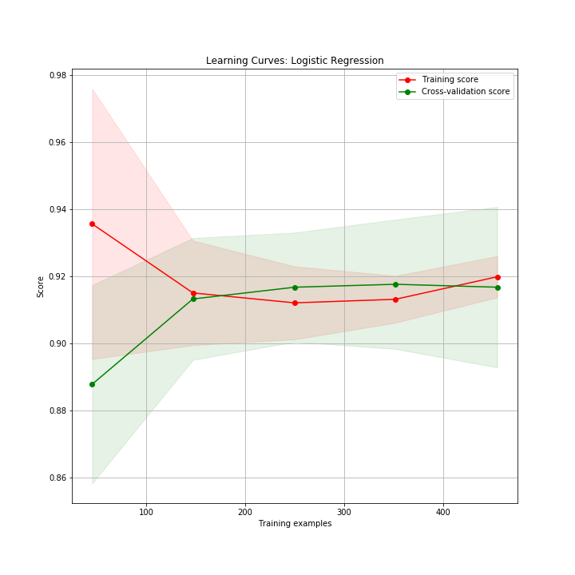

(learning_gurve_logisticreg)

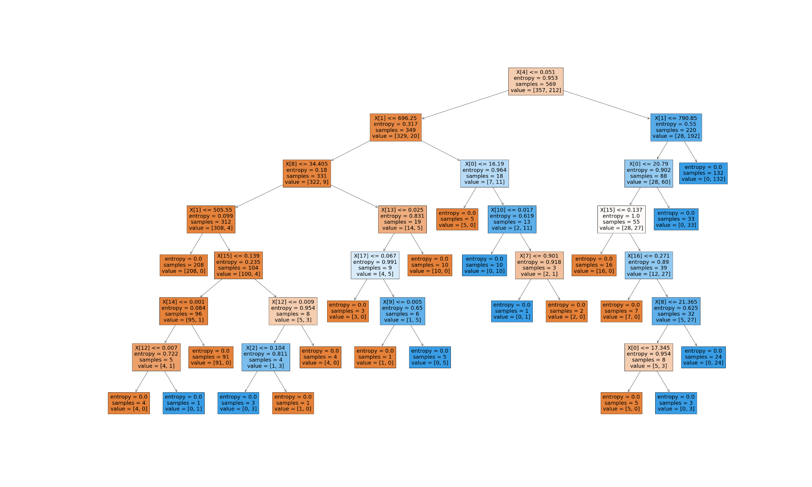

(decision_tree)

(learning_curve_gridparameters)
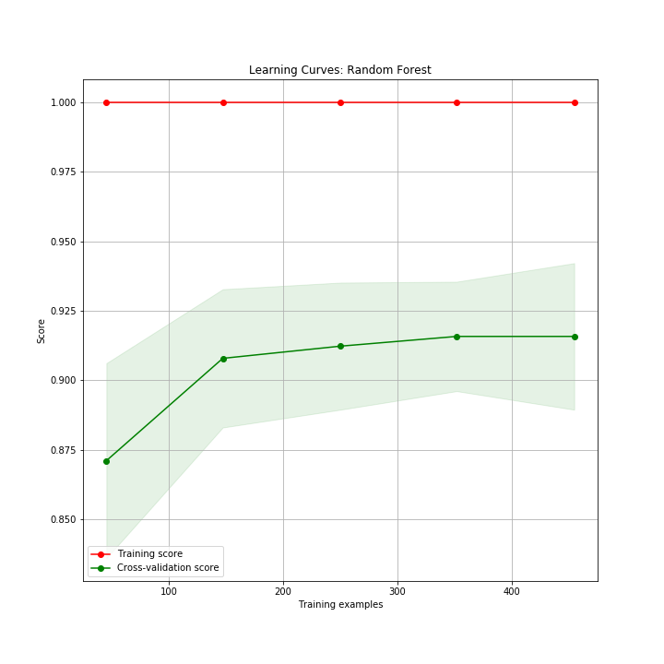

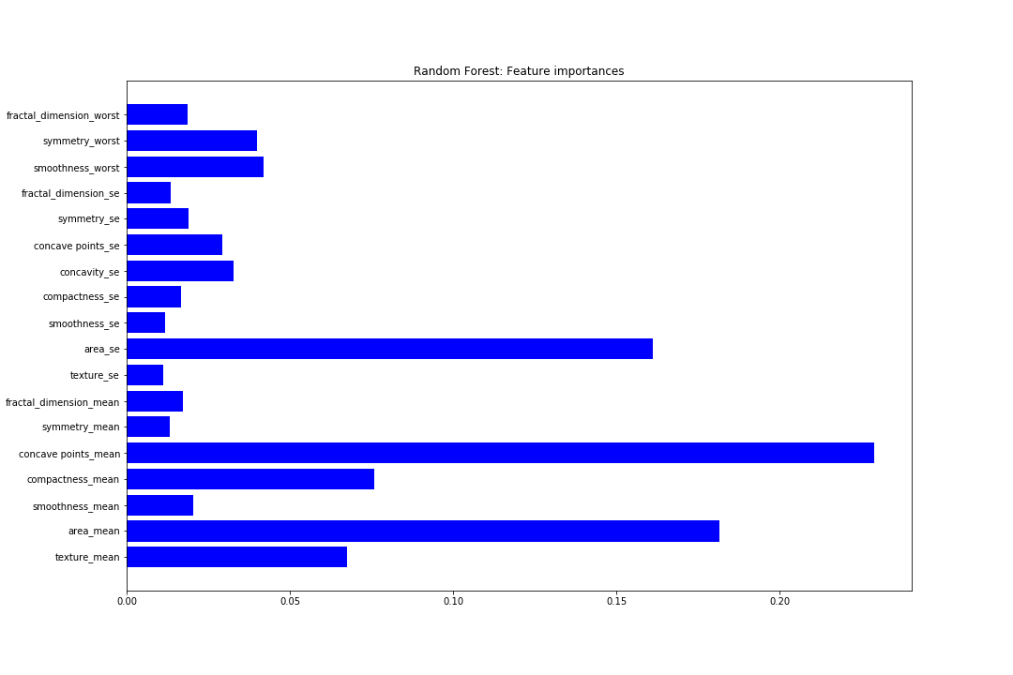

 |  |  |  |  |  |  |  |  |  |  | (features_importance)

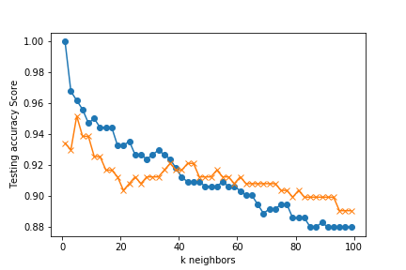
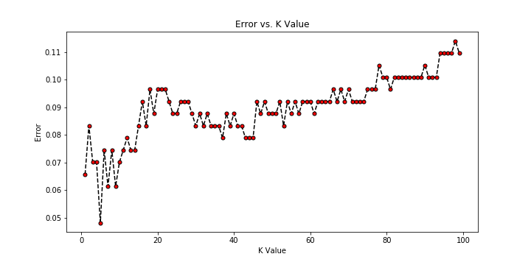

(knn_training_test) |  |  |  |  |  |  | (error_kvalue)

